1. Title Page
[Instacart Analysis]

Project Name: Instacart Grocery Baskey Analysis
Date: 07/15/23
Analyst Name: Alejandro Guillen

Contents:
Population Flow
Consistency checks
Wrangling steps
Column derivations
Visualizations
Recommendations

Instacart Online Grocery Shopping Dataset from 2017
(customer and price data was fabricated specifically for this project)

2. Population Flow
Title page

Population flow

Exclusion flag
Condition: max_order < 5
Observations to be removed: 1,440,295
Final total count of order_products_all: 30,964,564

Orders_products_combined
Orders_products_merged
Orders_products_all

Total: 32,404,859
Total: 32,434,489
Total: 32,404,859

1.) The grey boxes in the first row of the population flow represent the original data sets as they were when you downloaded them. In the Total fields you need to add the count of the rows when you imported the data set into Jupyter.
2.) The second row of boxes (coloured) represents the data sets after you manipulated them, e.g., removed missing values and duplicates. In the Total fields you need to add the count of the rows after conducting these operations. This offers a visual oveview of how the data flows throughout the data consistency checks.
3.) The third row, where also the arrows are coloured, represents the merges you performed between the datasets. In the Total fields you need to add the count of the rows in the merged datasets, so that you end up with the final dataset (in the red box). Keep in mind the final dataset should be without exclusions (based on the exclusion flag).

3. Consistency checks
 |  |  |  | Title page
Consistency checks

Dataset | Missing values | Missing values treatment | Duplicates
orders | 206,209 values are missing from 'days_since_last_order' column. | This is fine because it was related to first time customers. Therefore, it was their first order and these values were not considered to be deleted. | No duplicates found.
products | 16 missing values under 'product_name'. In task 4.5 I also found some weird values for cheese and milk (14900 and 99999 respectively). | Created new datafram called 'df_prods_clean'. The cheese and milk prices were fixed with the replace function (to 1.49 and 9.99 respectively ) and then were included into a new dataframe called df_prods_clean_no_dups (this was the final one of that task). | 5 duplicates found. These were dropped from the dataframe when df_prods_clean was created.
orders_products_prior | Nothing found since the cheese and milk values were fixed in task 4.5 | None. | No duplicates found.
customers | No missing values found. | None. | No duplicates found.
ords_prods_merge | NaN in frequency_flag (5 in total) | These were added into the "non-frequent customer" category.

4. Wrangling steps
 |  |  |  | Title page
Wrangling steps

Columns dropped | Columns renamed | Columns' type changed | Comment/Reason
eval_set from orders.csv data |  |  | None.
 | order_dow | orders_day_of_week | For clearer identification.
 | days_since_prior_order | days_since_last_order | None.
Unnamed column from products_checked.csv |  |  | Thought it wasn't needed. At the very end I included it again because I needed it in my final dataframe in order to match them with their respective department food type (each number from "Unnamed" represented a value that was linked to a specific type of food in the department data set).
_merge column |  |  | Not needed.
 | First Name | first_name | To have consistency in column titles.
 | Surnam | last_name | To have consistency in column titles.
 | Gender | gender | To have consistency in column titles.
 | STATE | state | To have consistency in column titles.
 | Age | age | To have consistency in column titles.
 | Unnamed | department_id | For clearer identification.
first_name |  |  | PII reasons.
last_name |  |  | PII reasons.

5. Column derivations
 |  |  |  | Title page

Column derivations and aggregations

In this tab you should add tables below that the frequences of flags/label variables that you produced after deriving them. NB: don't do this for continuous variables, only for flags.
Dataset | New column | Column/s it was derived from | Conditions
ords_prods_merged | price_range_loc | prices | price > 15 = 'High-range product' (total: 412551 ) price <= 15 & > 5 = 'Mid-range product' (total: 21861558) price <= 5 = 'Low-range product' (total: 10130750)
ords_prods_merged | busiest_day | orders_day_of_week | If day 0 (Sat), "Busiest day" (total: 6204182) If day 4 (Wed.), "Least busy" (total: 3783802) Otherwise, "Regularly busy" (total: 22416875)
ords_prods_merged | busiest_period_of_day | order_hour_of_day | Most orders: from 9am to 5pm (total: 23205725) Average orders: 6pm to 11pm/7am to 8am (total: 8312313) Fewer orders: 12am to 6am (total: 886821)
ords_prods_merge | loyalty_flag | max_order | orders > 40 = Loyal customer (total: 10284093) orders <= 40 & > 10= Regular customer (total: 15876776) orders <= 10 = New customer (total: 6243990)
ords_prods_merge | mean_price | prices | Displays mean price of items purchased by each user.
ords_prods_merge | spending_flag | mean_price | mean_price < 10 = low spender (total: 32285165) mean_price >= 10 = high spender (total: 119694)
ords_prods_merge | frequency_flag | median_on_days | > 20 = Non-frequent customer (tota: 3636437) >10 & <= 20 = Regular customer (total: 7208564) <= 10 = Frequent customer (total: 21559853)
insta_data | region | state | Northeast, Midwest, South, West
insta_data | exclusion_flag | max_order | customers with < 5 orders (then Yes) = excluded (total: 1440295) customers with more than 5 orders (then No) = not excluded (total: 30964564)
insta_data | age_flag | age | age >65 = Senior (total: 8088101) age <=65 & >40 = Middle age (total: 12646712) age <=40 = Young adult (total: 11670046)
insta_data | income_flag | income | income >=150000 = High income income <150000 & >=60000 = Medium income income <=60000 = Low income
insta_data | dependants_flag | n_dependants | has dependants: 24307356 no dependants : 8097503

6. Visualizations
 |  | Title page

Visualisations

In this tab you should include all the visualtions from Exercises 4.9 and 4.10, alongside the questions from the project brief that they answer. Include any commentary on the relationship between different variables.

What are the busiest days of the week and hours of the day?
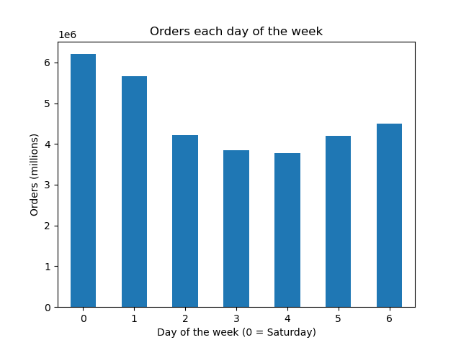

 | The numbers on the x axis represent the days of the week.

 | 0 = Saturday
 | 1 = Sunday
 | 2 = Monday
 | 3 = Tuesday
 | 4= Wednesday
 | 5 = Thursday
 | 6 = Friday

 | The busiest days are Saturday and Sunday, and the slowest
 | days are Tuesday and Wednesday.

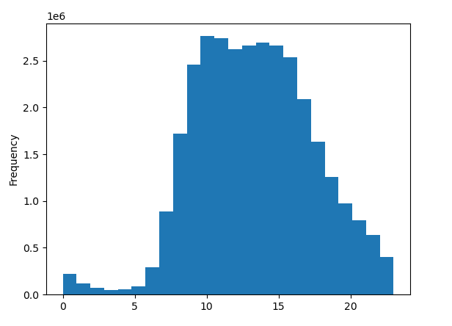

 | This histogram shows that the busiest hours tend to be between 9am and 4pm.

 | The approximated peak is around 10 am with over 2.5 million food items sold.
 | While the slowest ahours are between midnight and 7am with less than 0.5 food
 | items sold.

Which hours are the ones where people spend the most money?
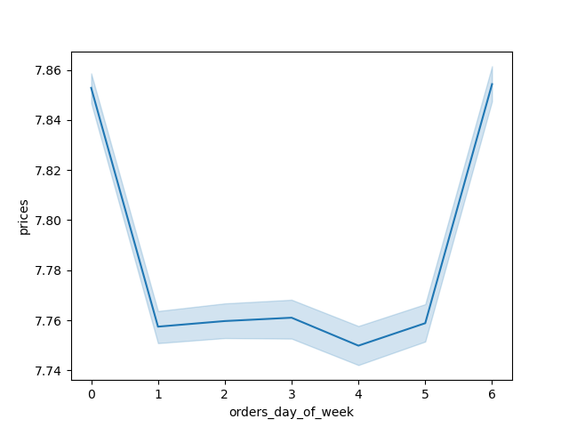

 | The first line graph is showing the average price per items for orders made everyday.
 | It shows that the days where customers spend the most money are Saturdays (0) and Fridays (6);
 | this could be to the fact that the use the end of the week to prepare groceries for the week ahead.



 | The second line graph is showing that the hours where people spend the most money
 | are during the least busy hours.

 | It is worth noticing the variations in average prices that exists during these hours,
 | which means that there is room for potential outliers since people spending the most money
 | does not necessarily mean they are buying a lot of items.

Are there certain types of products that are more popular than others?

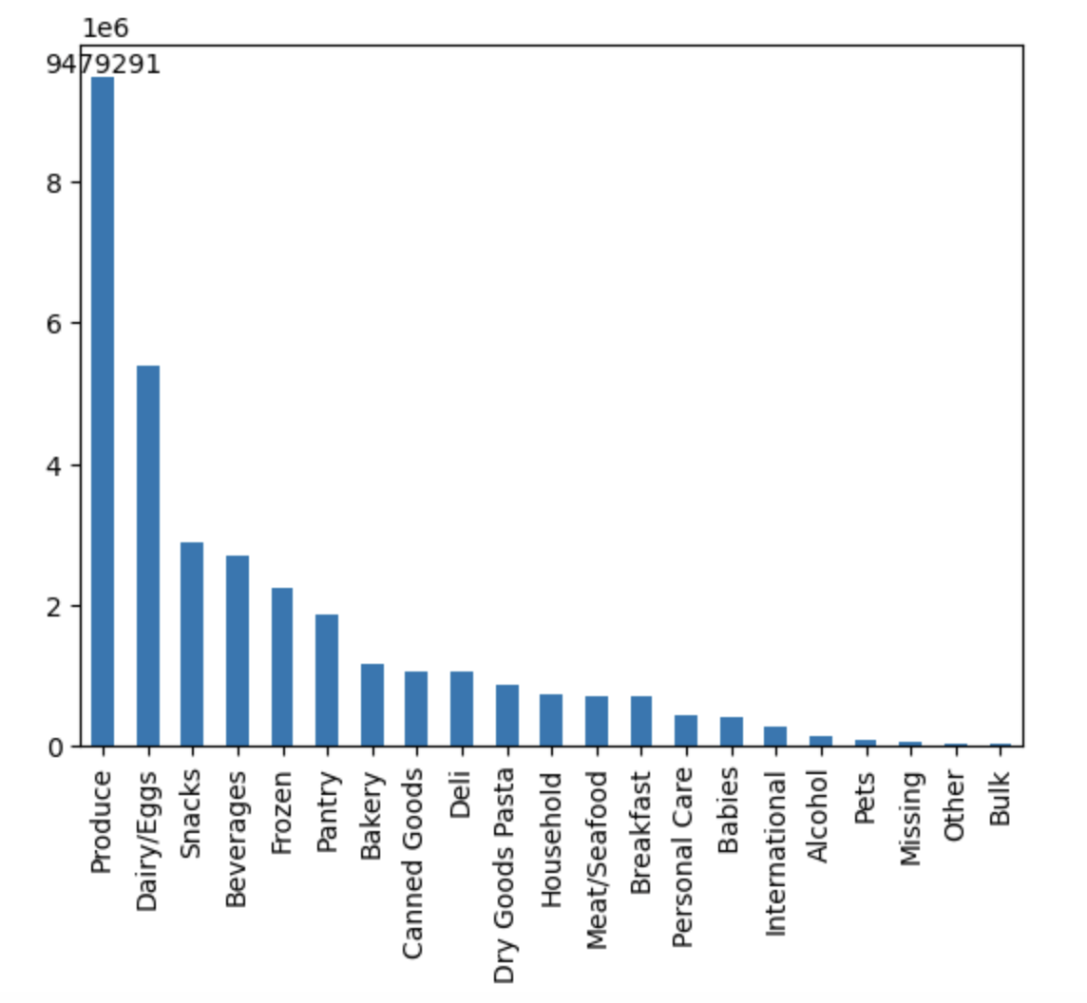

 | This bar chart shows the popularity of food items in general. The most in-demand items are in the
 | produce department, followed by dairy/eggs and snacks.

 | These two popular products are very expected since produce items (like fruit or vegetables)
 | and dairy/eggs items are the type of food that is used everyday for most people.

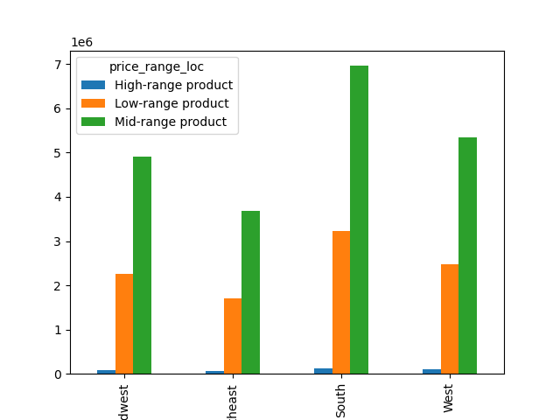

 | This other bar chart shows the different quantity price ranges across the 4 regions:
 | (Midwest, Northeast, South and West).

 | Although all of them are almost the same, the South region seems to show the biggest quantity
 | in food prices that are Mid-range (between 5$ and 15$ in price) and Low- range (less than 5$ in price).
 | Nevertheless, is important to point out the the South also has the biggest population number, and when this is turned into the statistical percentage
 | and compare with other regions, the difference in price ranges between the South and the other regions becomes lesser.

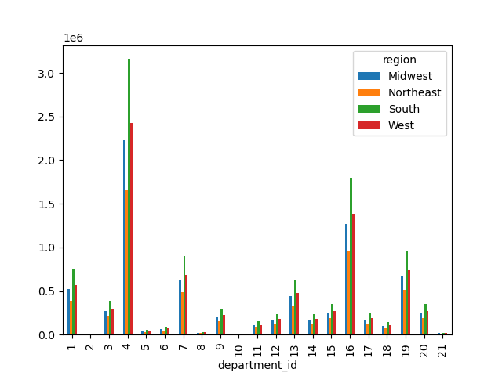

 | And finally, this bar chart shows the popularity of products across regions. Produce (4), dairy/eggs (16) and snack (19) departments seem
 | to still be the most popular ones.

 | The fourth most popular one is the beverages department (7), the South region is the highest one in sales probably due
 | to the weather: the hotter it is outside, the more thirsty people will be.

What’s the distribution among users in regards to their brand loyalty?

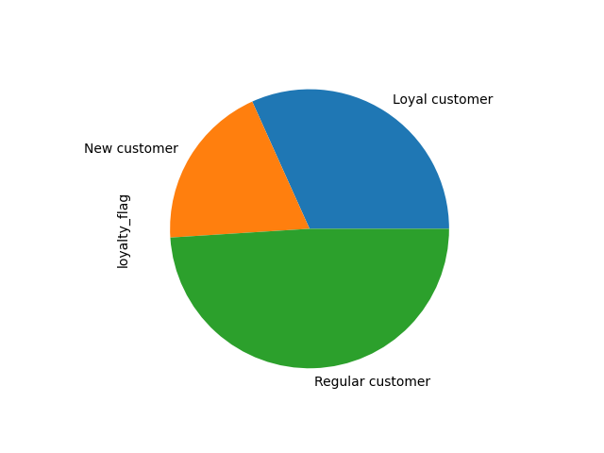

 | The pie chart shows the general picture in terms of loyalty customers. The majority of users (almost
 | the 50%) are regular customers, which means they use our services very often but not exclusively.

 | The second biggest group are the loyal customers, who always use our services.

 | The third group are the new customers who are using our services for the first time.
 | This explains why there were over 200,000 first orders in our data.

More insights on sales by department

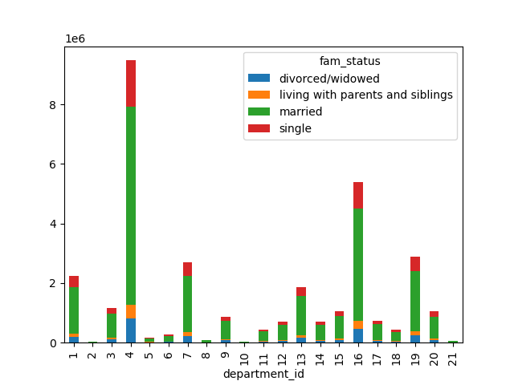

 | This stacked chart shows a lot of insightful things. The first one, that department 4 (produce)
 | is still very popular in all family status; married and single status being the two with the most majority.
 | Married family status potentially have children, which leads to buy more fruits and vegetables.

7. Recommendations
 |  |  | Title page

Recommendations

In this tab you should include any recommendations you would made to Instcart in terms of their marketing strategy based on the questions posed in the brief. Every key question has been covered in the Tasks of the Exercises - here you need to add an item - a visualisation or table/crosstable that is showing the answer in the data, acompanied by a comment from you. Please, list the questions below and add the answer underneath.

Key question 1: What are the busiest days of the week and hours of the day?

The busiest days are Saturday (0) and Sunday (2), and the slowest | Recommendation: monitor the busiest days and hours, using ads during those times
days are Tuesday (3) and Wednesday (4). The busiest hours tend to be between 9am and 4pm. | since the probability of attracting and interacting with more customers will be very high.

Key question 2: Which hours are the ones where people spend the most money?

The days where customers spend the most money are Saturdays (0) and Fridays (6); | Recommendation: you could use ads with different kinds of deals for customers during
this could be to the fact that the use the end of the week to prepare groceries for the week ahead. | saturdays and fridays since those are the days when they spend the most. Also, monitor
Also, the hours where people spend the most money are during the less busy hours. | the hours where it seems customers spend the most money because those could be
 | potential outliers since it does not necessarily mean they are buying more things.

Key question 3: Are there certain types of products that are more popular than others?

The most in-demand food items are in the produce department, followed by dairy/eggs and snacks. |  | Recommendations: target ads and deals based on region/weather, of food items that fall
The South region seems to show the biggest quantity in food prices that are Mid-range |  | under the middle and low price range. Beverage department is also popular, therefore,
(between 5$ and 15$ in price) and Low- range (less than 5$ in price). |  | having a wide variety of options within this departments will attract more customers
Neverthelss, is important to remember that this difference becomes lesser if we put the statistical |  | Having specific ads and deals in the produce departments (like fruits and vegetables )
percentages together, showing that there is not a big difference across regions. |  | will expand the ratio of sales as well.
Also, the third chart shows that departments of beverages is also popular across regions.

Key question 4: What’s the distribution among users in regards to their brand loyalty?

The majority of users (almost the 50%) are regular customers, which means they use our services very often but not exclusively.
The second biggest group are the loyal customers, who always use our services. And the third group are the new customers
who are using our services for the first time; this customers can potentially become in either regular or loyalty customers
in the future.

 | Recommendations: treat our loyal customers with a lot of priority, offering them special services and deals, while
 | monitoring the relationship with regular customers. If these regular customers always have a good experience and
 | service, they can become in loyal customers in the future. Regarding the new customers, is important to show them
 | ads so they know what deals, services or events are happening within certain departments, especially if is the kind of
 | department that they like (for example, the beverages department).

 | In general, we should aim to target audiences that are married and have dependants, and also that are in the spectrum of
 | middle range income and age. These groups of people tend to gravitate towards basic food deparments as produce (fruits and
 | vegetables), dairy/eggs, snacks and beverages. Also by emphasizing deals with products are in the middle or lower price range.

